KPI Tool
Date of review | Describe Feedback | Date Feedback Reported to CSR | Status | Date Task Completed | Reviewed By | Comments | No. of work days task has been In Progress | Number of work days to complete task
2024-10-02 | Change BM title to Goal. See column E on the 2024 KPI spreadsheet | 2024-10-02 | COMPLETED |  | AB AW |  |  | -32548
2024-10-02 | Need unit of measure with the data in the tables and graphs | 2024-10-02 | COMPLETED |  | AB AW |  |  | -32548
2024-10-02 | Need charts to use high contrast colors for better visibility | 2024-10-02 | COMPLETED |  | AB AW |  |  | #VALUE!
2024-10-02 | Need to ensure data is accurate between cards, charts, and table | 2024-10-02 | IN PROGRESS |  | AB AW | 10.14.24 Line graph data was not accurate. Amanda will check all data after call. Goal column data is not accurate. DUE 10/29/2024 10.29 Percent of ED Transfer is displayed as a number but should be a percentage. | 110
2024-10-02 | From the dashboard: Emergency Room Utilization card is blank. We need to learn how the ER utilization is being calculated to determine the percentage and is it accurate? | 2024-10-02 | Completed |  | AB AW | 10.14.24 Still in progress the card data is not accurate. Add explanation of data in the title of the card. 10.23.24 new task created for amanda to provide description of data. DUE 10/29/2024. AB will ask corporate for feedback on this card. # of ER Visits per Hospital/ All Hospital ER Visits During Reporting Period |  | -32548
2024-10-02 | Need to ensure that whena filter is applied that it filters all data cards, charts, and tables if selected or identify which data cards, charts, and tables will be filtered. | 2024-10-02 | COMPLETED |  | AB AW |  |  | -32548
2024-10-02 | Add goal data | 2024-10-02 | COMPLETED | 2024-10-23 | AB AW | 10.14.24 Goal data added but unable to update or modify goal data. Need to remove BM from census goal. Check accuracy of Goals 10.23.24 Was able to update the goal. |  | 16
2024-10-02 | Ensure all 2024 measures are in the program | 2024-10-02 | COMPLETED |  | AB AW |  |  | -32548
2024-10-02 | Demonstrate the color coding feature works when the goals are added | 2024-10-02 | completed | 2024-11-05 | AB AW | 10.29.24 Do Not apply color coding to the following: 1. Census - Volume & Utilization Measures 2. Any measure with no goal; a measure with no goal is identified by "---" |  | 25
2024-10-02 | Move employee separations row to the end of the table | 2024-10-02 | COMPLETED |  | AB AW |  |  | -32548
2024-10-02 | Need to ensure all 2024 measures are built into the system: See 2024 KPI spreadsheet | 2024-10-02 | COMPLETED |  | AB AW |  |  | -32548
2024-10-02 | Need to organize measures in the dashboard table the same way as our spreadsheet: 1. Census - Volume & Utilization 2. Clinical 3. Human Resources | 2024-10-02 | COMPLETED |  | AB AW |  |  | -32548
2024-10-02 | Added a new measure using this workflow: Measures > + New Measure > ED 72 Hour Readmission Rate > Clinical > Save. I can see the measure I created was entered on the Hospitals> All Hospitals Dashboard but this measure is not available anywhere else in the KPI tool. | 2024-10-02 | COMPLETED | 2024-10-23 | AB AW | 10.14.24 I was able to add a new measure and add data but only for a specific hospital. Need the new measure and data to appear on the overall dashboard |  | 16
2024-10-02 | From Measures > + New Measure > Modify: Could not modify the measure category for an existing measure. I could only modify the measure name. | 2024-10-02 | COMPLETED |  | AB AW |  |  | -32548
2024-10-02 | Client would like to request option to re-organize or assign order to the measure. | 2024-10-02 | Completed |  | AB AW | 11.21.24 Not yet |  | -32548
2024-10-02 | When a new measure is added. How will the KPI program know where to capture the data? Is there a user workflow or does the system notify CSR so they can build the algorithm to capture data from the spreadsheet? | 2024-10-02 | COMPLETED |  | AB AW |  |  | -32548
2024-10-02 | From Measure Data: Change the title of the reporting date column to Reporting Period | 2024-10-02 | COMPLETED |  | AB AW |  |  | -32548
2024-10-02 | From Measure Data > + New Measure > Change title of Reporting Date field to Reporting Period | 2024-10-02 | COMPLETED |  | AB AW |  |  | -32548
2024-10-02 | From Measure Data > + New Measure > Reporting period should be a date range (start date and end date) | 2024-10-02 | COMPLETED | 2024-10-23 | AB AW | 10.14.24 Not a date range yet |  | 16
2024-10-02 | Display error messages that users can understand, insread of error codes. | 2024-10-02 | COMPLETED | 2024-10-23 | AB AW |  |  | 16
2024-10-02 | Targets > Action: Modify CAH 30 Day Readmission Rate > changed target to 5 and saved but it did not apply/update the target throughout the program. | 2024-10-02 | COMPLETED | 2024-10-23 | AB AW |  |  | 16
2024-10-02 | Need to ensure all dates are formatted using MM-DD-YYYY | 2024-10-02 | COMPLETED |  | AB AW |  |  | -32548
2024-10-02 | Need to ensure all time are formatted using 24 Hour format | 2024-10-02 | COMPLETED |  | AB AW |  |  | -32548
2024-10-02 | Need to review user permission setting to ensure users assigned to a specific Hospital cannot view another hospital's data. | 2024-10-02 | COMPLETED |  | AB AW |  |  | -32548
2024-10-02 | On Dashboard: Consider changing pie chart data from employee sep & New hires to Falls by injury type. | 2024-10-02 | COMPLETED | 2024-10-23 | AB AW | 10.14.24 Pie chart not pulling data the correct way |  | 16
2024-10-02 | When reviewing Hospital level dashboard: Client requested a filter by month | 2024-10-02 | COMPLETED | 2024-10-23 | AB AW |  |  | 16
2024-10-02 | When reviewing Hospital level data the export button is not working | 2024-10-02 | COMPLETED | 2024-10-23 | AB AW |  |  | 16
2024-10-02 | Measures search bar is not working. I tried to search using "swing" and it did not return any results | 2024-10-02 | COMPLETED | 2024-10-23 | AB AW |  |  | 16
2024-10-02 | Discuss Support options | 2024-10-02 | IN PROGRESS |  | AB AW | 11.5.24 IT AND CSR NEEDS TO DEFINE THIS PROCESS BECAUSE USERS WILL NATURALLY CONTACT COHESIVE IT SUPPORT. | 110
2024-10-04 | INCLUDE MEASURE DEFINTIONS: THESE WERE INCLUDED IN EARLIER VERSIONS OF THE KPI TOOL. THE USER COULD HOVER OVER THE MEASURE NAME AND A TOOLTIP WOULD APPEAR THAT DEFINED THE MEASURE | 2024-10-04 | COMPLETED | 2024-10-29 |  | 10.14.24 Need a field to add a measure description when adding a new measure |  | 18
2024-10-04 | CLIENT NEEDS A SOLUTION TO CHANGE MEASURES EACH YEAR BECAUSE THERE IS A HIGH PROBABILITY THAT THE MEASURES WILL CHANGE EVERY YEAR. | 2024-10-04 | COMPLETED |  |  |  |  | -32550
2024-10-04 | Inpatient Tranfer rate should be percentage | 2024-10-04 | COMPLETED | 2024-10-23 |  |  |  | 14
2024-10-04 | Medical error rate is should not be percentage | 2024-10-04 | COMPLETED | 2024-10-29 |  |  |  | 18
2024-10-04 | Titles should mach the speadsheet | 2024-10-04 | COMPLETED | 2024-10-29 |  |  |  | 18
2024-10-04 | Wherever there is BM is, add a dash | 2024-10-04 | COMPLETED | 2024-10-29 |  |  |  | 18
2024-10-04 | Administrators should be able to edit the taarget. The target is yearly base, not monthly base | 2024-10-04 | COMPLETED | 2024-10-29 |  |  |  | 18
2024-10-04 | While adding a measure value, allow users to select the value type | 2024-10-04 | COMPLETED | 2024-11-05 |  |  |  | 23
2024-10-04 | On side bar, replace the hover event by a click event | 2024-10-04 | COMPLETED | 2024-10-23 | AB |  |  | 14
2024-10-04 | Add popup that explain roles | 2024-10-04 | COMPLETED | 2024-11-05 |  |  |  | 23
2024-10-04 | Make the search show results as a user is typing | 2024-10-04 | COMPLETED | 2024-11-05 |  |  |  | 23
2024-10-23 | Need option to update measure descriptions in the KPI tool. | 2024-10-23 | COMPLETED | 2024-11-05 |  |  |  | 10
2024-10-23 | AMANDA provide a description of the ER utilization data | 2024-10-23 | COMPLETED | 2024-11-05 |  | # of ER Visits per Hospital/ All Hospital ER Visits During Reporting Period |  | 10
2024-10-23 | Targets > Action: Modify > Client needs option to mark the value as numerical or percentage when modifying the target. | 2024-10-23 | COMPLETED | 2024-11-05 |  |  |  | 10
2024-10-23 | When adding a measure ...Client needs option to apply conditional formatting for measures to highlight numbers greater than/less than with the correct color | 2024-10-23 | completed | 2024-11-05 |  |  |  | 10
2024-10-23 | FOR THE FALLS BY INJURY TYPE PIE CHART: CALCULATE BY ADDING THE TOTAL NUMBER OF FALLS FOR THE MONTH AND DIVIDE BY FALL TYPE. PIE CHART SHOULD SHOW PERCENTAGE OF FALLS WITHOUT INJURY, PERCENTAGE OF FALLS WITH MINOR INJURY AND PERCENTAGE OF FALLS WITH MAJOR INJURY | 2024-10-23 | Completed |  |  | 11.5.24 pie chart does not filter but will be fixed by next meeting. |  | -32563
2024-10-23 | FINISH THE POSITION NAME DESCRIPTIONS FOR USER ROLE DEFINITIONS | 2024-10-23 | Completed |  |  | 10.23.2024 AB WILL READ THEM AND PROVIDE FEEDBACK. DUE 10/29/2024. https://new-kpi.vercel.app/users/ |  | -32563
2024-10-23 | ANGELA AND AMANDA REVIEWED THE GENERAL INCIDENT REPORT EXPORT AND PROVIDED FEEDBACK IN FIGMA. 1. Add city to the address details 2. Format all dates using MM/DD/YYYY | 2024-10-23 | COMPLETED |  |  | 1. Add city to the address details 2. Format all dates using MM/DD/YYYY |  | -32563
2024-10-23 | Measure DATA TABLE Column "Reporting Period" should not display the date data was reported. Instead it should display the Start and end date of the reporting period OR REPORTING MONTH AND YEAR. SEE EXAMPLE: 09/01/2024 TO 09/31/2024 09/2024 | 2024-10-23 | completed | 2024-10-23 |  |  |  | 1
2024-10-23 | Export Table was not working | 2024-10-23 | COMPLETED | 2024-11-05 |  |  |  | 10
2024-10-29 | https://new-kpi.vercel.app/measure_data/ Percentage of ED Transfers - value is displayed as a number vs percentage. Tried to edit the measure data to change to a percentage. I selected the percentage value > and clicked save. The dashboard value did not change to a percentage | 2024-10-29 | completed | 2024-11-05 |  |  |  | 6
2024-10-29 | https://new-kpi.vercel.app/targets/ When target/goal value is zero then display 0 instead of N/A | 2024-10-29 | COMPLETED | 2024-11-05 |  |  |  | 6
2024-10-29 | When selecting any date in the KPI tool. Why do we select the MM/DD/YYYY and then we are prompted to select the month and year again. | 2024-10-29 | COMPLETED | 2024-11-05 |  |  |  | 6
2024-10-29 | I like the data descriptions but the description is distracting. I would like the option to hover over an "i" icon to view the description or adjust how the description displays so that it does not cover the measure name | 2024-10-29 | COMPLETED | 2024-11-05 |  |  |  | 6
2024-10-29 | I added new cah 30 day readmissions measure data for pawhuska on 10/29/2024 for the September reporting month (start date: 09/01/2024 end date 09/30/2024) and the data is displayed on the pawhuska performance measure table for October and should be for September | 2024-10-29 | Completed |  |  | 11.5.24 resolution in progress 11.21.24 Still unable to add new measure data accurately. Total ED visits for 10-2024 in Pawhuska would not save due to error saying duplicate. CSR will work on this tomorrow and will update me on the expected. We will try to show something on Tues. 1.7.25 Not all measures are in the list for adding data. |  | -32567
2024-10-29 | I was able to export the pawhuska meares to excel but the data in the excel file does not include the unit of measure (% or #) | 2024-10-29 | Completed | 2024-11-05 |  |  |  | 6
2024-10-29 | Falls by Injury Type Statistic: when hovering over the pie chart the data displayed is the same as the data beside the pie chart. I would rather the number of falls display when you hover over the pie chart since the % of falls is already visible. | 2024-10-29 | Completed |  |  | 11.5.24 resolution in progress |  | -32567
2024-11-14 | Add colors to tables to see data and measures better | 2024-11-14 | Completed | 2024-11-21 |  |  |  | 6
2024-11-14 | Change vertical axis to respond to the data | 2024-11-14 | Completed | 2024-11-21 |  |  |  | 6
2024-11-14 | Browser compatability/ client cannot add data | 2024-11-14 | Completed | 2024-11-21 |  |  |  | 6
2024-11-21 | Hide or show measures according to the current year | 2024-11-21 | Completed |  |  | If we are in 2023, measures in the select field should be in the |  | -32584
 | Measures + New Measure should have unique measure IDs |  | Completed | 2025-01-16 |  |  |  | 32624
 | When adding measure data. Client requests a small description that lets the user know the field only accepts numerical values or do not enter text or symbols | 2025-01-14 | Completed |  |  |  |  | -32622
 | client requested position description be available on the add new user screen | 2025-01-14 | Completed |  |  |  |  | -32622
 | Review and update position descriptions on the position screen. Example Hospital Admin | 2025-01-14 | Completed |  |  |  |  | -32622
 | CSR is working on notification feature and will present at the next meeting. | 2025-01-14 | Completed |  |  | CSR can present at the next meeting with QControl |  | -32622
 | Measure Data > + New measure data > Please select a year Change "Please select a year" TO "Please select reporting period" | 2025-01-16 | Completed | 2025-02-04 |  |  |  | 14
 | The specified date range overlaps with existing records. Maybe same hospital, same measure and same reporting period record exists Change to: The specified date overlaps with existing records. Review existing facility data for duplicate measure or reporting period. | 2025-01-16 | Completed | 2025-02-04 |  |  |  | 14 | 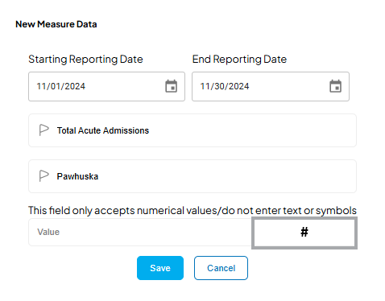
 | All date values should be formatted using American date format: MM/DD/YYY Example: the reporting date range in the measure data table | 2025-01-16 | COMPLETED | 2025-02-04 |  |  |  | 14
 | Request tool tip on hover for "Clear" button in the measure data section. I believe basic users will think the clear button will delete date. Could also consider changing the button ID from Clear to Reset. | 2025-01-16 | Removed | 2025-02-04
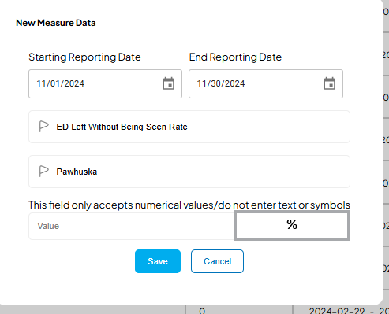
 | Measure Data section: Client would like to request more filters for the measures data table. The seach bar is helpful but only accept one serach condtion (total acute admissions). When user needs to modify data it was very time consuming to find Pawhuska / Total acute admission / 12/01/2024 - 12/31/2024. | 2025-01-16 | In Progress |  |  |  | 34
 | New Measure Data entry request: For the Measure Name and Hospital fields. Can CSR create an action that allows users to start typing the measure name and see choice suggestions appear based on what the user entered | 2025-01-16 | Completed | 2025-02-04 |  |  |  | 14
 | New Measure Data entry request: (see screenshot examples to the right) For the Measure value field: Can CSR create an action that shows users the number format applied to the value based on the selected measure? When a new measure is added to the program the user identifies the number format type, numerical or percentage. If numerical is selected for the measure, when the user enters data for that measure, the number format symbol # would appear next to the value field. For example: If user selects the measure "ED Left Without Being Seen Rate" , then the % symbol (number format) will appear to the right of the value field. | 2025-01-16 | Completed | 2025-02-04 |  |  |  | 14
 | Notifications: Please add an option to select all and change the status | 2025-01-21 | Completed | 2025-02-04 |  |  |  | 11
 | change email notification to ensure the sender is not alphonse | 2025-01-21 | In Progress |  |  |  | 31
 | remove notifications feature from a basic user | 2025-01-21 | Completed | 2025-02-04 |  |  |  | 11
 | Users, Users Editors, and Managers should not have access to any facility except the one they are assigned to | 2025-01-21 | In Progress |  |  | 2/4/2025 - abray signed in as a basic user and could not access measure data. System automatically signed me out. | 31
 | Calendar input for adding new measure data is not working correctly | 2025-01-21 | Completed | 2025-02-04 |  |  |  | 11
2025-02-04 | If a unique measure ID is already in use from a previous or current reporting period, please notify the user when adding a new measure and require the user to confirm they would like to use the unique measure ID. | 2025-02-04 | Priority

General Requests
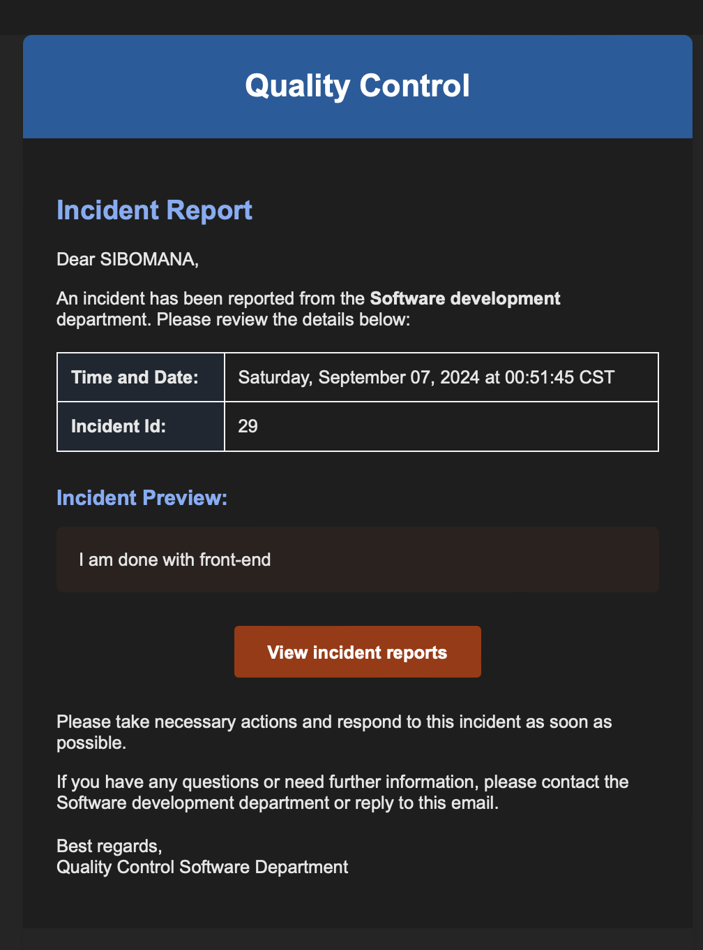
GO LIVE GOAL | 2024-09-15

Date of review | Describe Feedback | Date Feedback Reported to CSR | Status | Category | Date Task Completed | Reviewed By | Comments | Number of work days task has been in progress | Number of work days to complete task
2024-09-19 | CLIENT NEEDS TO SEE HOW THE PROGRAM IS STRUCTURED SO THAT EACH HOSPITAL CAN ONLY VIEW THEIR REPORTS AND LOGS BUT ALLOW CORP ADMINS TO VIEW ALL HOSPITAL REPORTS AND LOGS. Permission/Access: discuss structure for corporate level directors who do not need access to all reports for all hospitals. How can we given them access to all hospitals for only a specific department? | 2024-09-19 | PRIORITY | FACILITIES | 2024-09-23 | AB | 9.23.24 FACILITIES ADDED TO THE PROGRAM BUT STILL IN PROGRESS. 10.8.24 CSR has a solution to assign facilities and departments. If team agrees with the solution they will apply to all but still need to verify the solution works and will assign the report to the correct facility log. It did not work during demonstration today. 10.9.24 Client would like to see and test the roles and permission functions to ensure when a role or permissions are assigned that there is no chance that person can access/view any reports in the program because these are highly confidential. 10.17.24 SCHEDULE ANOTHER MEETING TO DEMONSTRATE 10.25.24 STILL IN PROGRESS 11.22.24 UNABLE TO ADD A USER. ERROR: DEPARTMENT NOT FOUND and I cannot test what users can see if I cannot add a user and assign permissions.
2024-10-17 | WHEN MODIFYing a report, THE MODIFICATIONS/REVISIONS ARE NOT BEING SHOWN ON PATIENT DETAILS. TESTED W/ GENERAL INCIDENT ID 3. LOCATION DID NOT SAVE | 2024-10-17 | PRIORITY |  |  |  | 11.7.24 ISSUE IS ONGOING 11.15.24 all information except documents updated on general incident report
2024-11-14 | Using the new versioning feature, some of the information that was modified does not show up on the most recent version. Acitons taken Secerity rating | 2024-11-14 | Priority |  |  |  | 11.15.24 all information updated when modified but did not save documents.
2024-11-22 | Trying to add Rwoodward@chmcok.com and it will not allow me to add user. I have entered email, facility user belongs to > Pawhuska > Department: Quality/Risk Management > Position: Director > Facilities: Seiling, Mangum, Prague, Pawhuska, Carnegie > Departments at each facility: All except HR and Employee Health (after I select all the departments at each facility, I select "+ set permissions" then move to the next facility to set department permissions. After completing all steps above I select "Add User" but a red banner pops-up and says Department Not Found. Even if I change the department the banner will pop-up again and says department not found. | 2024-11-22 | PRIORITY |  | 2025-01-07 |  | 1.7.25 fix is in progress and should fix that this week.
2024-12-13 | user assigned as QM to Mangum can see all facility information | 2024-12-13 | PRIORITY | Security |  | DJACKSON | Hey Amanda, the message is not clear. Shouldn't the user see all information? Also, it the permission sheet, Admin role is supposed to be assigned to all QMs, which makes those roles the same! Give us more informarion here.
2025-01-12 | I am admin on the account for pawhuska but how am I able to see all reports/tracking logs if the log only shows 5 reports? | 2025-01-12 | Priority
2025-01-12 | I am admin on the account for Pawhuska but cannot modify users. The User Roles worksheet indicates that an "admin" user should have "Editing Rights to User Accounts including User Creation, Updates and Deactivation" | 2025-01-12 | Priority

General PatientVisitor
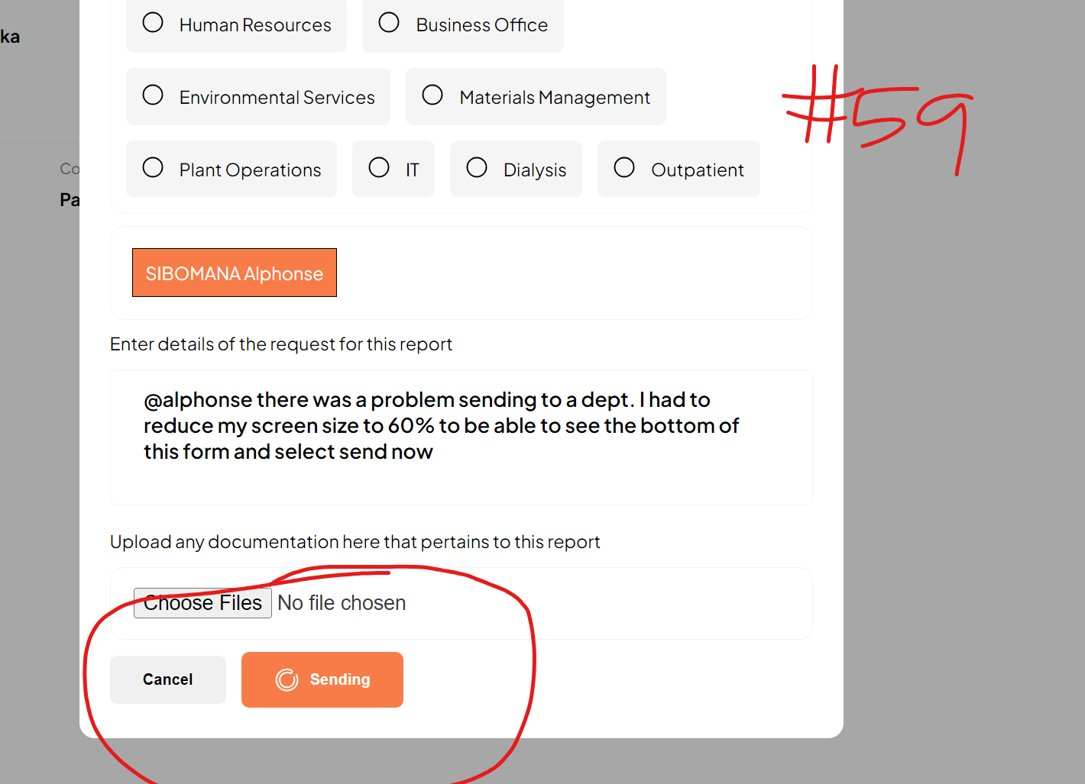
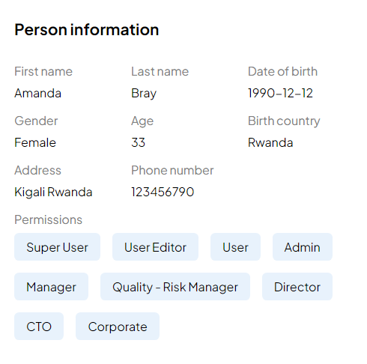
Date of review | Describe Feedback | Date Feedback Reported to CSR | Status | Category | Date Task Completed | Reviewed By | Comments | Number of work days task has been in progress | Number of work days to complete task
2024-07-10 | Remove employee and recents filter. Recommend: Type of Incident Status Care Level Date (month and year) | 2024-07-10 | COMPLETED | Tracking Log |  | AB | 8.27.24 Care level and date filter are not correct 9.13.24 filters have been updated but the filters are incorrect. 9.16.24 FILTERS HAVE BEEN CHANGED BUT NEED TO ENSURE THE FILTERS WORK CORRECTLY 9.24.24 HIDING FROM TEST GROUP 1. TEST GROUP 2 WILL HAVE THEM. 10.24.24 Filters have been changed as requested but they are not working. When I filter the general incident report tracking log for inpatient it returns zero results but incident ID #12 is an inpatient incident. |  | -32488
2024-07-10 | Add severity rating of the incident to the incident details view | 2024-07-10 | COMPLETED | INCIDENT DETAILS | 2024-10-25 | AB | 8.27.24 no changes online 9.13.24 I do not see the option to add a severity rating |  | 78
2024-07-10 | Need signatures fields or a way to identify who submitted the report, who followed-up, reviewed, and approved the report | 2024-07-10 | COMPLETED | INCIDENT DETAILS | 2024-09-13 | AB | 8.27.24 no changes online 9.13.24 Can see report reviews and document history from the incident details page |  | 48
2024-07-31 | General patient/visitor incident step 2/7 Missing Required fields patient status prior list but I have selected agitated and this same message appears even when I make another selection and I could not continue without completing the form. | 2024-08-06 | COMPLETED | FORM | 2024-09-16 | AB | 8.27.24 selected the "other" option and entered "test" but system would not allow me to continue. |  | 30
2024-08-10 | Cannot use shortcut key to open/expand a drop down list alt + down arrow to open a drop down list | 2024-08-15 | IN PROGRESS | FORM |  | AB | 08.27.2024 no changes online 9.13.24 CSR requested more ideas for short cut keys so I provided clarfification in the description to include alt + down arrow to expand a drop down list | 144
2024-08-10 | Date and time not formatted yet. We need the time to be in 24 hr format | 2024-08-15 | COMPLETED | FORM | 2024-09-24 | AB | 08.27.2024 no changes online 9.13.24 CSR cont to address poss due to time zones. Date formatting: When we save data, dates are saved in a special format. Then when we retrieve them, we can format them however a client need. Now the issue is in adding the data, (date and time picker may behave according to time zones, devices and even the country. ) So, while we are still figuring out how to force the tool to use time and date picker you’re requesting, we can move on, it if okay. 9.24.24 csr CREATED THEIR OWN INPUT TO ALLOW USERS TO ENTER 24 HOUR TIME FORMAT. WATCH CLOSELY TO SEE IF THIS WORKS CONSISTENTLY |  | 29
2024-08-10 | Step 3/7 - incident type defaults to fall related. Change to a prompt to please select incident type | 2024-08-15 | COMPLETED | FORM | 2024-09-16 | AB | 08.27.2024 no changes online |  | 23
2024-08-10 | Step 3/7 Incident Type others: the options contain spelling and capitalization errors. Left AMA | 2024-08-15 | COMPLETED | FORM | 2024-09-16 | AB | 08.27.2024 no changes online 9.13.21 CSR corrected most errors but left ama needs addressed 9.16.24 COMPLETED |  | 23
2024-08-10 | Step 3/7 Incident Type others: violent/disruptive behavior option is on the list twice. Please remove one. | 2024-08-15 | COMPLETED | FORM | 2024-09-16 | AB | 08.27.2024 no changes online |  | 23
2024-08-10 | Step 3/7 fall related > while walking > please click the box to indicate your agreement. Change “please click the box to indicate your agreement” to “Please select all applicable” | 2024-08-15 | COMPLETED | FORM | 2024-09-16 | AB | 08.27.2024 no changes online |  | 23
2024-08-10 | Step 3/7 fall related > while walking > Cannot continue unless I make a select from the “please click the box to indicate your agreement” Uses should be able to move forward if none of the option are applicable to the event. | 2024-08-15 | COMPLETED | FORM | 2024-09-16 | AB | 08.27.2024 no changes online |  | 23
2024-08-10 | Step 3/7- I could not move forward to the next step due to error message “failed to update incident” | 2024-08-15 | COMPLETED | FORM | 2024-09-16 | AB | 08.27.2024 no changes online |  | 23
2024-08-10 | Fall Related Incident Type > Fall Type: Reported Fall not observed > Continue> Step 4/7. Recommend adding a scroll bar on the right of the page | 2024-08-15 | COMPLETED | FORM | 2024-09-16 | AB | 08.27.2024 no changes online 9.13.24 CSR updated that scroll bar will deploy during next update 9.16.2024 |  | 23
2024-08-10 | on the incident details PAGE . change Contribution to Contributing Factors. | 2024-08-15 | COMPLETED | INCIDENT DETAILS | 2024-09-16 | AB | 08.27.2024 no changes online 9.13.24 I reviewed incident #550 and the incident details page still shows "contribution" and should say "Contributing Factors" |  | 23
2024-08-10 | Send to department gives an option to attach a file but I do not see where to attach a document. | 2024-08-15 | COMPLETED | ACTIONS | 2024-09-24 | AB | 08.27.2024 no changes online 9.13.24 CSR reported still working on this. |  | 29
2024-08-10 | Attempted to mark an incident as resolved but received an error message: unknown error while resolving incident. See image 2 | 2024-08-15 | COMPLETED | ACTIONS | 2024-09-16 | AB | 08.27.2024 no changes online 9.13.24 tested incident #550 and still get the same error message 9.16.24 COMPLETE |  | 23
2024-08-10 | Can we add a field in the incident outcome section for "actions taken" | 2024-08-15 | COMPLETED | INCIDENT DETAILS | 2024-09-17 | AB | 08.27.2024 no changes online 9.13.24 from CSR: Can we add a field in the incident outcome section for "actions taken" [WE JUST ADDED IT] . AB: I still cannot see the actions taken on the incident details page. I only see outcome. 9.16.24 the actions taken field is visible on the incident details screen but the field does not update when I modify the field. 9.17.24 COMPLETED |  | 24
2024-08-10 | Can an incident be modified after it has been marked resolved? | 2024-08-15 | COMPLETED | ACTIONS | 2024-08-20 | AB | 08.20.24 During meeting CSR indicated no they cannot be modified after |  | 4
2024-08-10 | Can we have the option to print an incident report with special permissions only. | 2024-08-15 | IN PROGRESS | ACTIONS |  | AB | 08.27.2024 no changes online 9.13.24 CSR reported Yes, but not it this timeline, in the next updates (when it’s in production) 10.25.24 using this link: https://q-control-frontend-beta.vercel.app/incident/general/12 I do not see the option to export anymore and I have quality/risk manager permissions 11.7.24 I AM SUPER USER AND QM BUT I STILL DO NOT SEE OPTION TO EXPORT FROM THE TRACKING LOG. | 144
2024-08-10 | General Incident > #30 Details > Reviews. When I select reviews the page does not function properly. | 2024-08-15 | COMPLETED | Incident details | 2024-09-16 | AB | 08.27.2024 no changes online |  | 23
2024-08-10 | Tracking Log: Care level filter options should be: Inpatient, outpatient, ED, Visitor | 2024-08-15 | COMPLETED | INCIDENT DETAILS | 2024-09-16 | AB | 08.27.2024 no changes online 9.13.24 no changes. when I filter has the wrong options in the list. |  | 23
2024-08-10 | Tracking log: Date filter should allow a date range to be entered such as start date and end date. | 2024-08-15 | COMPLETED | Tracking Log | 2024-09-16 | AB | 08.27.2024 no changes online 9.13.24 still a date picker. need a date range filter |  | 23
2024-08-10 | The action icons are in the location column | 2024-08-15 | COMPLETED | Tracking Log | 2024-09-16 | AB | 08.27.2024 no changes online |  | 23
2024-08-13 | STEP 1/7 - Missing field for City, there needs to be a City field to complete the address must have Address, City, State | 2024-08-15 | COMPLETED | FORM | 2024-09-16 | AW | 08.27.2024 no changes online |  | 23
2024-08-13 | STEP 2/7 - Is the location supposed to be a free text box? On the original form this has options for the staff member to check | 2024-08-15 | COMPLETED | FORM | 2024-08-20 | AW | 08.20.24 AB notified CSR that a free text field was appropriate |  | 4
2024-08-13 | STEP 2/7 -Move contributing Diagnosis below the patient/visitor status prior to the incident because not all incidents are going to have a contributing diagnosis | 2024-08-15 | COMPLETED | FORM | 2024-09-16 | AW | 08.20.24 AB notified CSR that a free text field was appropriate and to keep status options as a multi-select field 08.27.24 No changes online 9.13.24 contributing diagnosis is still above the patient visitor status 9.16.24 contributing diagnosis is still above the patient/visitor status |  | 23
2024-08-13 | STEP 3/7 - Incident type drop down list > Remove “s” from other it should not be “others” just other | 2024-08-15 | COMPLETED | FORM | 2024-09-16 | AW | 08.27.24 No changes online |  | 23
2024-08-13 | STEP 4/7 - Select outcome > Same as above remove “s” from other in the options list | 2024-08-15 | COMPLETED | FORM | 2024-09-16 | AW | 08.27.24 No changes online |  | 23
2024-08-13 | STEP 7/7 - BRIEF SUMMARY - Entered summary and immediate actions and tried to save incident and got an error message “error posting data please try again” Unable to save incident | 2024-08-15 | COMPLETED | Form | 2024-09-16 | AW | 08.27.24 No changes online |  | 23
2024-08-27 | Step 3/7 Incident type > Fall related > Please check box to indicate your agreement > options should be a multi-select field. Currently, I can only select one | 2024-08-27 | COMPLETED | Form | 2024-08-27 | AB |  |  | 1
2024-09-13 | When I select add a new incident the landing page is on step 6/7. I have to select the back button to go back to the first page. Even if I try to close the form and reopen. It always lands on step 6/7. | 2024-09-13 | COMPLETED | Form | 2024-09-16 | AB | 9.16.24 when I open the form the landing page is on step 3/7. I have to use the back button to complete step 1 and step 2 |  | 2
2024-09-13 | GEneral incident > Step 3/7 > Incident Type > Treatment Related > Select Treatment: The select treatment options do not work correctly. I cannot select any option except blood product problem and when I select blood product problem all options are highlighted. | 2024-09-13 | COMPLETED | FORM | 2024-09-16 | AB | 9.16.24 COMPLETED |  | 2
2024-09-13 | General incident > Step 3/7 > Incident Type > Treatment Related > Select Treatment > BLOOD PRODUCT PROBLEM > BUT IT WILL NOT ALLOW ME TO CONTINUE TO THE NEXT STEP | 2024-09-13 | COMPLETED | FORM | 2024-09-16 | AB |  |  | 2
2024-09-13 | GENERAL INCIDENT REPORT > STEP 4/7 > REMOVE THE ACTIONS TAKEN FIELD AT THE END OF THE OPTIONS LIST. kEEP "Immediate Actions Taken" ON STEP 6/7 | 2024-09-13 | COMPLETED | FORM | 2024-09-16 | AB |  |  | 2
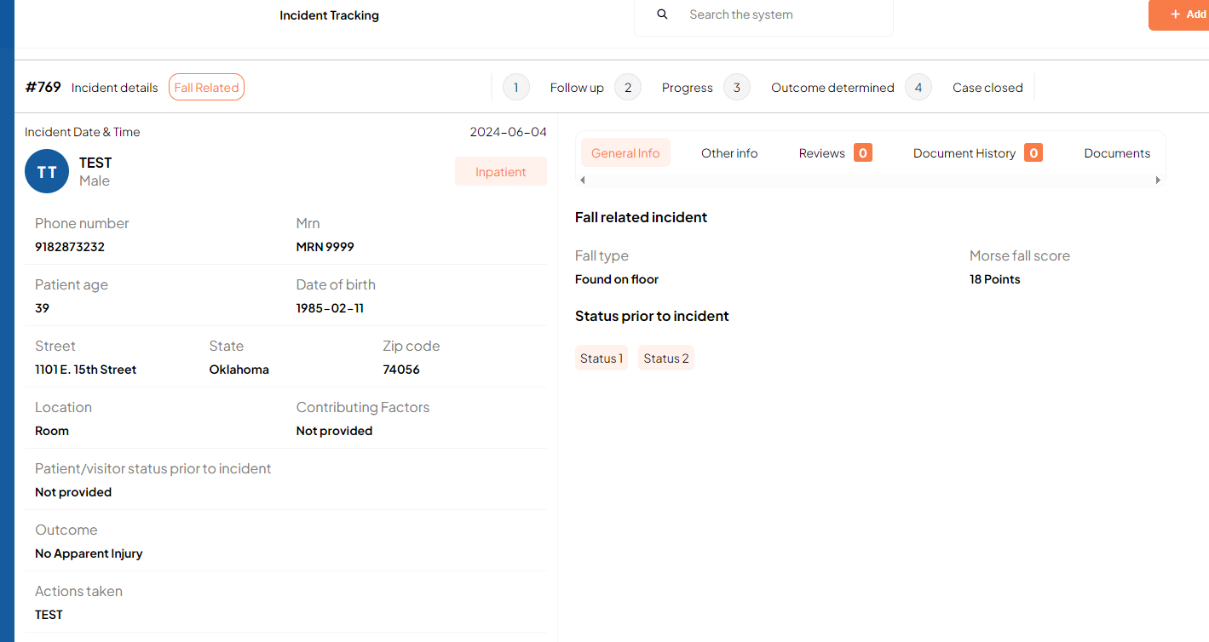
2024-09-16 | on the incident details page > general info > status prior to incident. it shows status 1, status 2 (see figure 2). Shouldn't this return the options the end user selected: Agitated Sedated Medicated Alert/Oriented Confused/Disoriented Unconscious Anesthetized Other Dementia | 2024-09-16 | COMPLETED | INCIDENT DETAILS | 2024-09-17 | AB | 9.17.24 THE FIELD WAS MOVED TO LEFT SIDE OF SCREEN ON INCIDENT DETAILS BUT |  | 2
2024-09-16 | AFTER I MODIFY A GENERAL INCIDENT REPORT BRIEF SUMMARY OF INCIDENT AND ACTIONS TAKEN THEN SELECT SAVE. THE MODIFICATIONS DO NOT SAVE AND ARE NOT DISPLAYED ON THE INCIDENT DETAILS PAGE | 2024-09-16 | COMPLETED |  | 2024-09-17 | AB | 9.17.24 COMPLETED |  | 2
2024-09-16 | When I open incident ID 1 from the general incident tracking log, the incident details page shows #769. What is that number and why is it different than the ID on the log? Just trying to understand the relationship of these numbers. | 2024-09-16 | COMPLETED |  | 2024-09-23 | AB |  |  | 6
2024-09-16 | From the incident details > modify page there is only a back arrow button in the upper left corner that returns user to general incident but when I select this arrow it takes me all the way back to general incident log/list. I would like an option to return to the incident detaisl page. | 2024-09-16 | COMPLETED |  | 2024-09-23 | AB |  |  | 6
2024-09-16 | When any report is modified. It should be recorded under document history that shows the date, time, and person that modified the report. | 2024-09-16 | COMPLETED |  | 2024-09-17 | AB | 9.17.24 COMPLETED |  | 2
2024-09-17 | General incident tracking > actions > modify > brief summary of incident When I modify the brief summary of incident then click save and submit, the text I entered does not pull over to the incident details page. | 2024-09-18 | COMPLETED | FORM | 2024-09-18 | AB | We resolved this one |  | 1
2024-09-19 | General incident tracking> View patient details. Immediate actions taken is visible in two places. I can see actions taken on the patient details section and the other info section under brief summary of incident. See incident #17. Please remove actions taken from the other info section. | 2024-09-19 | COMPLETED | FORM | 2024-09-19 | AB |  |  | 1
2024-09-23 | I marked incident ID #1033 as resolved but the program still allowed me to modify. Is this permission based? | 2024-09-23 | COMPLETED | INCIDENT DETAILS | 2024-09-24 | AB |  |  | 2
2024-09-23 | I tried to submit a new incident and received an error when I selected continue from step 1/7...that "user profile not found. Contact Admin. | 2024-09-23 | COMPLETED | FORM | 2024-09-23 | AB |  |  | 1
2024-09-23 | General incident report > failed to update incident {'brief_summary_of_incident': [ErrorDetail(string='Ensure this field has no more than 100 characters.', code='max_length')]} Does this mean the character count is limited to 100? Can we remove the character count? | 2024-09-23 | COMPLETED | FORM | 2024-09-23 | AB | CHANGED TO 1000 |  | 1
2024-09-23 | VISUALLY THERE IS AN ISSUE WITH SUPPORTING DOCUMENTS BECAUSE THE NAME IS TOO BIG | 2024-09-23 | COMPLETED | MODIFY INCIDENT | 2024-11-07 | SA | WILL FIX TOMORROW 09/24/24 |  | 34
2024-09-25 | The notification email to the QM misspelled: SEILLING> Please remove one L, it is spelled SEILING Incident type: Change General Patine/Visitor to General Patient/Visitor | 2024-09-25 | COMPLETED | EMAIL NOTIFICATION | 2024-10-25 | AB | We worked on it, please check |  | 23
2024-09-27 | On step 1/7 > There are two fields that do not have the orange outline/highlight when the user selects the field: 1. Age 2. Incident Time It is difficult to know where the cursor landed if the field does not highlight when it is selected | 2024-09-27 | COMPLETED | FORM | 2024-10-25 | AB |  |  | 21
2024-09-30 | User profile picture > My Profile > Draft Reports > Your Drafts: The small font title "Drafts" displays (9) draft reports but the cards below only display (2) General Incident Reports and (1) Workplace violence report. Why does "Drafts" show (9)? The same is true here: Incident Tracking > Change All Reports to Drafts: | 2024-09-30 | COMPLETED | DRAFTS | 2024-10-25 |  |  |  | 20
2024-09-30 | Discuss options with team re: Drafts. Example scenario: Nurse starts to submit an incident report but gets called away. A draft is automatically saved. The nurse forgets a draft of the incident is available and submits a new report. How do we clear the draft folder? !. Give the user the option to clear draft reports they created? 2. Give the QM the option to delete draft reports? 3. Give the user a more visible reminder that draft reports are pending when they log-in and give the option to delete a draft? | 2024-09-30 | COMPLETED |  | 2024-10-25 |  |  |  | 20 | 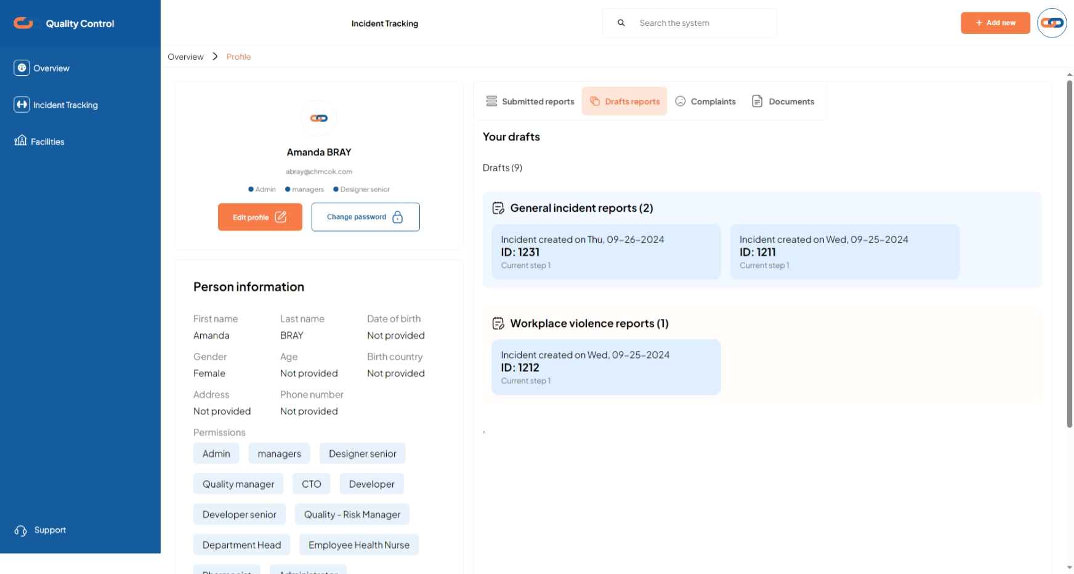
2024-10-04 | Incident ID #1230: No name was provided. I modified the name by: Actions > Modify > Name: Cinderella > Save and Submit > Incident is updated successfully The name did not update on the incident tracking log or on the incident details screen | 2024-10-04 | PRIORITY |  |  |  | 10.17.24 In Progress 11.7.24 ONGOING ISSUE
2024-10-04 | Family notified is not required, and replace fell off of with fell from | 2024-10-04 | IN PROGRESS | FORM |  |  | 11.7.24 ONGOING ISSUE | 108
2024-10-29 | ANGELA AND AMANDA REVIEWED THE GENERAL INCIDENT REPORT EXPORT AND PROVIDED FEEDBACK IN FIGMA. 1. Add city to the address details 2. Format all dates using MM/DD/YYYY | 2024-10-29 | COMPLETED | EXPORT | 2024-11-01 |  |  |  | 4
2024-11-07 | modifying a general incident > there are two fields for actions taken. please remove actions taken under the incident outcome section | 2024-11-07 | NEW | FORM
2024-11-07 | TESTED MARK INCIDENT #577 AS CLOSED ERROR MESSAGE = Unknown error while resolving incident HOWEVER THE INCIDENT IS NOW SHOWING AS CLOSED ON THE TRACKING LOG | 2024-11-07 | PRIORITY |  |  |  | 11.14.2024 Tried to close incident #677 Shohei Ohtani and it did not mark as closed
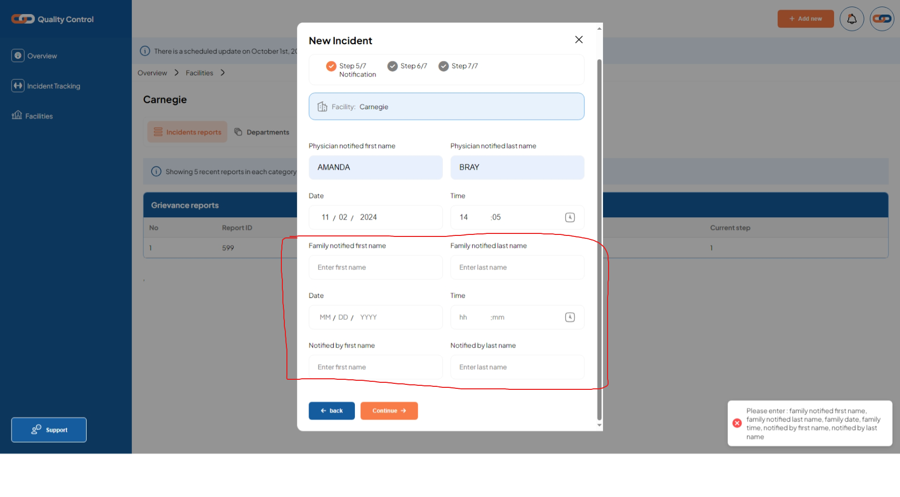
2024-11-08 | Please correct the capitalization on the general incident tracking log Care Level column. They should be written as: Inpatient Outpatient ER Visitor | 2024-11-08 | COMPLETED | Log |  |  |  |  | -32575
11/22/20245 | When modifying a general incident report for a fall related incident, the "Please click the checkbox to indicate your agreement" should be a multi-select option. | 2024-11-22 | NEW |  |  | ABRAY
11/22/22024 | Attempted to send report # 931 to case magnagement depart. selected to send to alphonse but it would not send. I updated user abray@pawhuskahospital.com and assigned this user to case mgmt dept manager. Tried to send again and selected amanda to send to but it will not send. The progress wheel just keeps spinning. see screenshot #59 | 2024-11-22 | NEW |  |  | ABRAY
2024-12-13 | Attempted to submit a new general incident report. On step 3/7 when incident type = Other, user cannot save and continue no matter what option from the other list is selected. | 2024-12-13 | NEW |  |  | DJACKSON
2024-12-13 | Step 3/7. If incident type is fall related, please add the following option to the field "Please select all applicable" Post-Fall Review | 2024-12-13 | NEW |  |  | DJACKSON
2024-12-13 | Step 3/7. When entering fall type, please add option to select "other" and if "Other" is selected, then prompt user to explain other. | 2024-12-13 | NEW |  |  | DJACKSON
2024-12-02 | Incidents->General incident tracking list- the status of the case is highlighted in green and says closed. When I try to view, edit, or double click it, it takes me to a blank page that will not refresh. | 2024-12-02 | NEW |  |  | SFipps

Lost&Found
Date of review | Describe Feedback | Date Feedback Reported to CSR | Status | Category | Date Task Completed | Reviewed By | Comments | Today | No. of work days task has been In Progress | Number of work days to complete task
2024-07-31 | Step 2/4: when users select the box that missing, lost or misplaced property was found additional boxes are needed to document name of person who found property and dispose of unclaimed property. Once those are added, step ¾ can be removed because that is duplicate information. | 2024-08-06 | COMPLETED | FORM | 2024-09-16 | AB | 08.27.24 No changes online | 2025-03-04 |  | 30
2024-07-31 | We forgot to include form elements. We need to able to update incident detials to include the date the registered letter was sent and who the letter was sent to. | 2024-08-06 | COMPLETED | FORM | 2024-09-13 | AB | 08.27.24 No changes online 9.13.24 CSR added the correct fields | 2025-03-04 |  | 29
2024-07-31 | If property is found after submitting the form, can users go into incident details page to modify the incident and mark when the property was found | 2024-08-06 | COMPLETED | INCIDENT DETAILS | 2024-09-13 | AB | 08.27.24 No changes online 9.13.24 yes. we will use the actions button to modify the report. | 2025-03-04 |  | 29
2024-07-31 | Need demonstration on how to update the incident for disposal of unclaimed property. | 2024-08-06 | COMPLETED | FORMS | 2024-09-13 | AB | 08.27.24 No changes online 9.13.24 yes. we will use the actions button to modify the report. | 2025-03-04 |  | 29
2024-08-10 | Could not save incident in step 3/4. See screenshot image 1 | 2024-08-16 | COMPLETED | FORM | 2024-09-16 | AB | 08.27.24 No changes online | 2025-03-04 |  | 22
2024-09-13 | Please move the date letter was sent and letter sent to fields. Would like these field to be answered afer the disposal of unclaimed property. | 2024-09-13 | COMPLETED | FORM | 2024-09-16 | AB | 9.16.24 COMPLETED | 2025-03-04 |  | 2
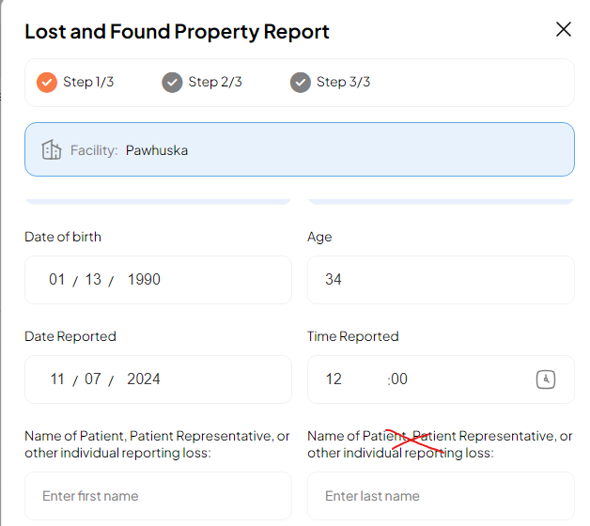
2024-09-13 | Please add option to attach a copy of the letter sent document | 2024-09-13 | COMPLETED | FORM | 2024-09-24 | AB |  | 2025-03-04 |  | 8
2024-09-13 | Disposal of unclaimed property is not a mandatory/required field but I could not continue to save the incident unless I entered something for this field | 2024-09-13 | COMPLETED | FORM | 2024-09-16 | AB | 9.16.24 COMPLETED | 2025-03-04 |  | 2
2024-09-30 | Tried to move from step one to step 2 and received an error message: Failed to post data | 2024-09-23 | COMPLETED | FORMS | 2024-09-23 | AB |  | 2025-03-04 |  | 1
2024-09-30 | User can only click the view and modify icon to open a lost and found property report. Please change so users can double click the row to open a report, like users will for a general incident. | 2024-09-30 | COMPLETED | TRACKING LOG | 2024-10-25 | AB |  | 2025-03-04 |  | 20
2024-11-07 | WHEN ENTERING NAME OF PERSON REPORTING LOSS, THE FIELD TITLE CAN BE LISTED ONLY ONCE. see screenshot | 2024-11-07 | NEW |  |  |  |  | 2025-03-04
2024-11-07 | relationship to patient is not a required field | 2024-11-07 | PRIORITY |  |  |  |  | 2025-03-04
2024-11-07 | CHANGE REQUEST: REMOVED DISPOSAL OF UNCLAIMED PROPERTY FIELDS FROM THE REPORT. INSTEAD WOULD LIKE THESE FORM FIELDS TO BE DOCUMENTED IN THE SAME WAY WE DOCUMENT A GRIEVANCE INVESTIGATION. | 2024-11-07 | NEW |  |  |  |  | 2025-03-04
2024-11-22 | Step 1: DOB and AGE of person reporting (under first and last name) these are not part of the original form and should be deleted | 2024-11-22 | NEW |  |  |  |  | 2025-03-04

STAFF INCIDENT
Date of review | Describe Feedback | Date Feedback Reported to CSR | Status | Category | Date Task Completed | Reviewed By | Comments | No. of work days tasks have been In Progress | Number of work days to complete task
2024-07-31 | Cannot move forward without documenting in the boxes: Check if this bodypart has been injured before and When | 2024-08-06 | COMPLETED | FORM | 2024-09-13 | AB | 08.27.24 No changes visible online 9.13.24 completed |  | 29
2024-08-10 | Step 1/5 - Change “I am reporting working related from” to “I am reporting a work related:” | 2024-08-16 | COMPLETED | FORM | 2024-09-13 | AB | 08.27.24 No changes visible online 9.13.24 completed |  | 21
2024-08-10 | Step 1/5 Drop down options should be : Injury, Illness, Near miss | 2024-08-16 | COMPLETED | FORM | 2024-09-13 | AB | 08.27.24 No changes visible online 9.13.24 completed |  | 21
2024-08-10 | Step 1/5 Cannot move forward or continue unless I enter a witness name but this field should be optional. (see screenshot below) | 2024-08-16 | COMPLETED | FORM | 2024-09-13 | AB | 08.27.24 No changes visible online 9.13.24 completed |  | 21
2024-09-19 | Incident Tracking > Employee Incident Report: Please change the card title from Employee Incident Report to Staff Incident Report | 2024-09-19 | COMPLETED |  | 2024-09-23 | AB |  |  | 3
2024-09-19 | ADD NEW > Please change form title from Employee Incident to Staff Incident Report | 2024-09-19 | COMPLETED |  | 2024-09-23 | AB |  |  | 3
2024-09-23 | Unable to move from step 2 to step 3 | 2024-09-23 | COMPLETED | FORM | 2024-09-23 | AB |  |  | 1
2024-09-23 | Check this if part of your body has been injured before. SHOULD SAY Check if this part of your body has been injured before | 2024-09-23 | COMPLETED | FORM | 2024-09-23 | AB |  |  | 1
2024-09-23 | Add investigation > date claim notified and claim are not mandatory fields. | 2024-09-23 | COMPLETED | Form | 2024-09-24 | AB |  |  | 2
2024-09-23 | Change add investigation icon to view investigation after an investigation has been submitted | 2024-09-23 | COMPLETED | FORM | 2024-09-24 | AB |  |  | 2
2024-09-23 | The tracking log is not displaying the time correctly. All are showing as 00:00 | 2024-09-23 | COMPLETED | Log | 2024-09-24 | AB |  |  | 2
2024-09-23 | CHECK IF YOU HAVE SEEN A DOCTOR AND CHECK IF PART OF BODY HAS BEEN INJURED ARE NOT MANDATORY FIELDS | 2024-09-23 | COMPLETED | FORM | 2024-09-24 | AB |  |  | 2
2024-09-30 | Incident Tracking > Staff Incident Report > View Staff Incident > Other Info: Change field titles: previous_injury > Previous injury Date of Previous injury ate > Date of previous injury | 2024-09-30 | COMPLETED | DETAILS | 2024-10-25 | AB |  |  | 20
2024-09-30 | Incident Tracking > Staff Incident Report > Modify Staff Incident: The fields that have already been completed are blank on the modify staff incident screen. Shouldn't the original answer already be there versus a blank field? | 2024-09-30 | COMPLETED | MODIFY | 2024-10-25 |  |  |  | 20
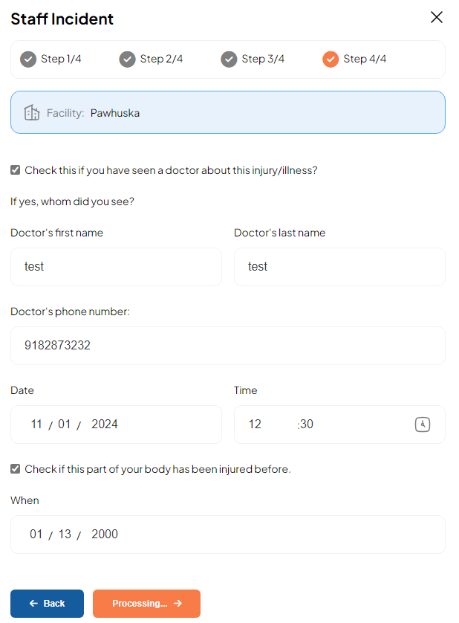
2024-09-30 | The staff incident tracking log displays "Facility not provided" but this is not a question on the staff incident form. Where does the facility name come from for a staff incident report? | 2024-09-30 | IN PROGRESS |  |  | AB | 11.7.24 ongoing issue | 112
2024-10-03 | Added a new staff incident (#1329) Entered staff age but it does not show the age on the incident details. | 2024-10-03 | IN PROGRESS |  |  | IB | 11.7.24 I still do not see the age for any staff incident. | 109
2024-10-03 | Staff Incident #1329. Attempted to add an investigation but received an error: Error submitting Step 1 Please try again | 2024-10-03 | IN PROGRESS |  |  | AB | 11.7.24 was able to move through step one but could not save and submit. report was stuck in processing | 109
2024-10-03 | Discuss the programs record retention rules. Staff incident reports must be retained at least 30 years for work comp injuries. | 2024-10-03 | IN PROGRESS |  |  | IB | Please explain further... | 109
2024-10-03 | Staff Incident reports will be restricted to facility EH nurse and QM | 2024-10-03 | IN PROGRESS |  |  | IB | On which action? View, create, modify? | 109
2024-10-03 | Email notification for staff incident #1335. The incident was created at 13:23 CST but the email notification shows the incident created time was 12:23 CST. The time is off by one hour. | 2024-10-03 | IN PROGRESS |  |  |  | 11.7.24 cannot test at this time because I cannot submit a report | 109
2024-11-07 | WITNESS IS NOT A REQUIRED FIELD | 2024-11-07 | COMPLETED |  |  |  |  |  | -32574
2024-11-07 | COULD NOT SAVE STAFF INCIDENT. IT WAS STUCK IN "PROCESSING". see screenshot | 2024-11-07 | COMPLETED |  |  |  |  |  | -32574
2024-12-13 | User could not continue to step 3.. All field appeared to be filed out correcly and there are not error messages to explain why. | 2024-12-13 | NEW | FORM |  | SWARE

Med Error_Near Miss
Date of review | Describe Feedback | Date Feedback Reported to CSR | Status | Category | Date Task Completed | Reviewed By | Comments | Today | Number of work days tasks have been in progress | Number of work days to complete task
2024-07-31 | Did not receive a time out message while entering data. I attempted to save the incident and received error code 403. I logged back in and the form worked correctly. I would recommend a notification that user session is timing out. | 2024-08-06 | COMPLETED | FORM |  | AB | 08.27.24 No changes visible online | 2025-03-04 |  | 32657
2024-08-10 | Recommend adding a scroll bar on the left of the screen so users can see that additional documentation or options are available. | 2024-08-16 | COMPLETED | FORM | 2024-09-23 | AB | 08.27.24 No changes visible online | 2025-03-04 |  | 117
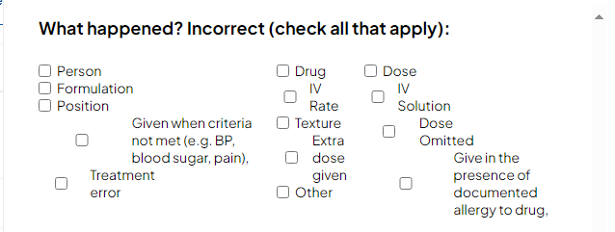
2024-09-13 | The med error tracking list/log does not show the category. Instread it is showing things like {"category":"Category A","description":"Circumstances or events that have the capacity to cause a medication-use error."} | 2024-09-13 | COMPLETED | LIST | 2024-09-16 | AB | 9.16.24 COMPLETED | 2025-03-04 |  | 122
2024-09-16 | WHEN ADDING A NEW MED ERROR/NEAR MISS REPORT THE LANDING PAGE WAS STEP 5/9. USERS SHOULD LAND ON STEP 1. I HAD TO USE THE BACK BUTTON TO GO TO STEP 1 | 2024-09-16 | COMPLETED | FORM | 2024-09-17 | AB | 9.16.24 COMPLETED | 2025-03-04 |  | 121
2024-09-23 | REceived failed to post data error message | 2024-09-23 | COMPLETED | FORM | 2024-09-24 | AB |  | 2025-03-04 |  | 116
2024-09-23 | What happened options are not neatly organized | 2024-09-23 | COMPLETED | FORM | 2024-09-24 | AB |  | 2025-03-04 |  | 116
2024-09-23 | Modifying Medication Error but the title shows Modifying Employee Health Investigation incindent. Please change to Modifying Medication Error | 2024-09-23 | COMPLETED | FORM | 2024-09-24 | AB |  | 2025-03-04 |  | 116
2024-09-23 | Cannot mofiy > what happened? Incorrect... | 2024-09-23 | COMPLETED | FORM | 2024-09-24 | AB |  | 2025-03-04 |  | 116
2024-09-23 | Cannot resolve med error ID # 1056: Unknown error while resolving incident Here’s a breakdown of the error message from the DevTools console: Failed to load resource: This indicates that the browser tried to load a resource (like a file or data) but couldn’t. Status of 404: The server responded with a “404 Not Found” status, meaning the requested resource doesn’t exist on the server. | 2024-09-23 | COMPLETED | FORM | 2024-09-24 | AB |  | 2025-03-04 |  | 116
2024-09-23 | Error categor> {"category":"Category A","description":"Circumstances or events that have the capacity to cause a medication-use error."} | 2024-09-23 | COMPLETED | MODIFY | 2024-09-24 | AB |  | 2025-03-04 |  | 116
2024-09-23 | unable to save changes | 2024-09-23 | COMPLETED | MODIFY | 2024-09-24 | AB |  | 2025-03-04 |  | 116
2024-12-02 | Medication Error- took forever to process information input in step 1, Incident info. I didn't even make it to step 2 due to it never finishing processing on step 1. | 2024-12-02 | NEW |  |  | SFIPPS |  | 2025-03-04

Anaphylaxis_ADR
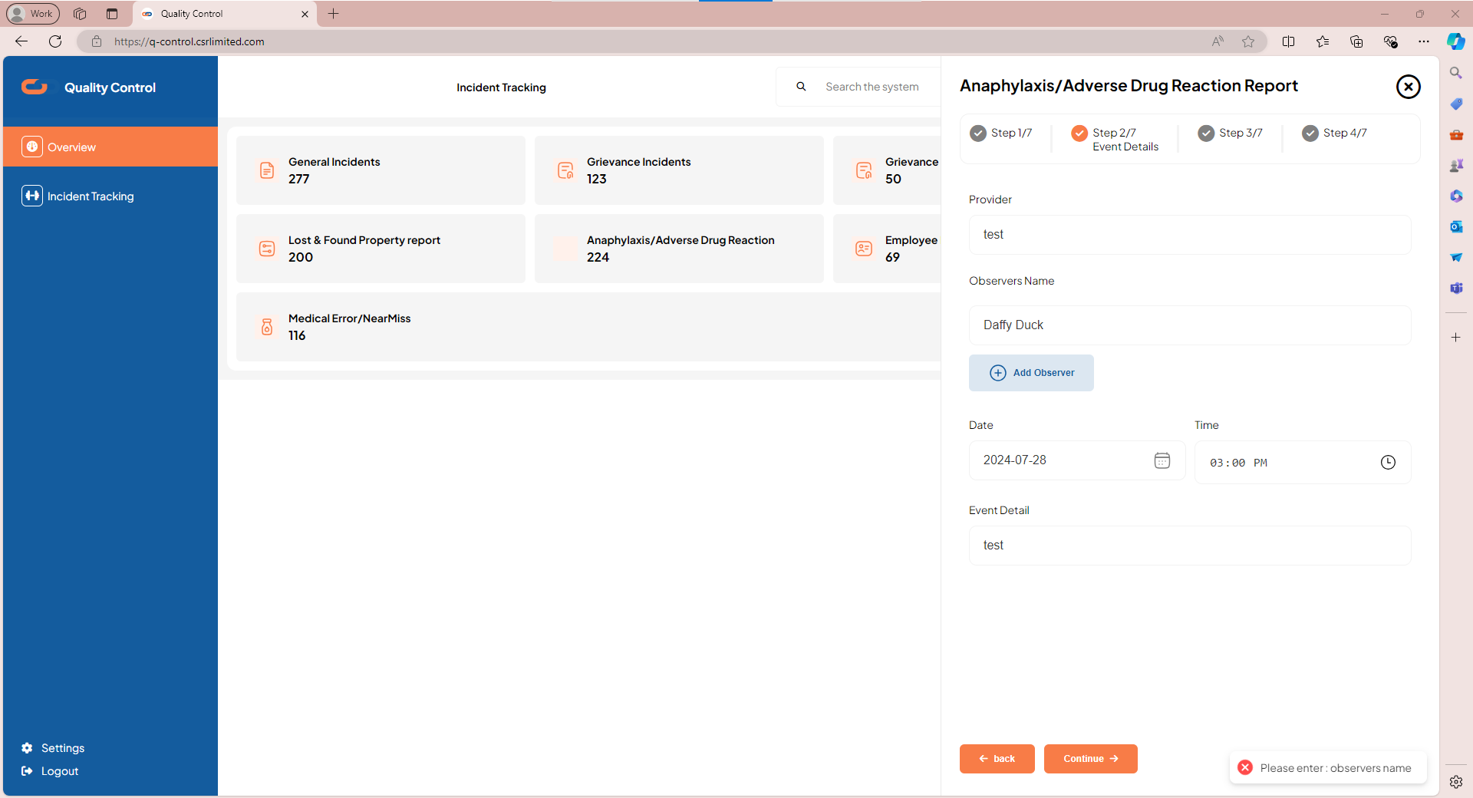
Date of review | Describe Feedback | Date Feedback Reported to CSR | Status | Category | Date Task Completed | Reviewed By | Comments | No. of work days task has been In Progress | No. of work days to complete task
2024-08-10 | please add short cut keys to expand drop down list | 2024-08-16 | COMPLETED | FORM |  | AB | 08.27.24 No changes visible online 11.7.24 ADDED TO GENERAL REQUESTS |  | -32515
2024-08-10 | please change date format to mm-dd-yyyy | 2024-08-16 | COMPLETED | FORM | 2024-09-16 | AB | 08.27.24 No changes visible online |  | 22
2024-08-10 | please change time format to 24HR/Military time | 2024-08-16 | COMPLETED | FORM | 2024-09-24 | AB | 08.27.24 No changes visible online |  | 28
2024-08-10 | step 2/7: Cannot continue due to error message "please enter:observers name" but I do have a name in the field. See image 1. | 2024-08-16 | COMPLETED | FORM | 2024-09-13 | AB | 08.27.24 No changes visible online 9.13.24 This is still an issue |  | 21
2024-09-23 | USER PROFILE NOT FOUND. PLEASE CONTACT ADMIN. | 2024-09-23 | COMPLETED | FORM | 2024-09-23 | AB |  |  | 1
2024-09-23 | The ADR tracking list/log is displaying all times as 19:00 even if the incident time was 13:00 | 2024-09-23 | COMPLETED | LOG | 2024-09-24 |  |  |  | 2
2024-09-24 | General Info > still showing YYYY-MM-DD. please change to MM-DD-YYYY | 2024-09-24 | COMPLETED | DETAILS | 2024-10-25 | AB |  |  | 24
2024-09-24 | Incident Date & Time only displays date at the top of the screen | 2024-09-24 | COMPLETED |  | 2024-10-25 |  | Show date and time |  | 24
2024-09-24 | Reorganize dates /time(s) on detail page | 2024-09-24 | COMPLETED |  | 2024-10-25 |  |  |  | 24
2024-10-24 | STEP 1/8: PLEASE ADD CITY TO THE ADDRESS. ADDRESS, CITY, STATE, ZIP CODE | 2024-10-24 | COMPLETED | FORM |  |  |  |  | -32564
 | https://q-control-frontend-beta.vercel.app/incident/drug-reaction/84/modify/ CHANGE TITLE FROM: Modifying Adverse drug incident TO Modifying Adverse Drug Incident |  | COMPLETED |  |  |  |  |  | 0
2024-11-15 | Unable to modify and save ADR #17, error was related to progress note | 2024-11-15 | PRIORITY | FORM
2024-11-15 | When modifying the ADR report > Outcome > Moderate > the choices here should be multiselect | 2024-11-15 | NEW
2024-11-15 | ADR Incident details > General Info > Reaction on set-time correct spelling "Reaction on set-time" should be "Reaction on-set time" | 2024-11-15 | NEW
2024-11-15 | Modifying an ADR report, the outcome changes do not show on the incident detials. | 2024-11-15 | NEW
2024-12-13 | Step 3/8: rate of administration (If IV) is not a required field unless the route is IV. | 2024-12-13 | NEW | FORM |  | SWARE
2024-12-02 | Anaphylaxis/Adverse Drug Reaction- allowed me to edit/modify adverse drug incident. Allowed me to view report. When I tried to create a new report, it would not allow me to save and continue past step 1. | 2024-12-02 | NEW |  |  | SFIPPS

Grievance
Date of review | Describe Feedback | Date Feedback Reported to CSR | Status | Category | Date Task Completed | Reviewed By | Comments | No. of work days task has been In Progress | No. of work days to complete task
2024-08-10 | step 3/4 please use 24HR time format | 2024-08-16 | COMPLETED | form | 2024-10-25 | ab | 08.27.24 No changes visible online |  | 51
2024-08-13 | Change title - Title should be Patient/Patient Representative Grievance Form | 2024-08-16 | COMPLETED | form | 2024-09-17 | AW | 08.27.24 No changes visible online |  | 23
2024-08-13 | step 1/4 - Source of Information – the options do not include the “Grievance Form” which will be the main form of written form | 2024-08-16 | COMPLETED | form | 2024-10-25 | AW | 08.27.24 No changes visible online 9.16.24 CAN TYPE THIS UNDER OTHER UNTIL NEXT UPDATE |  | 51
2024-08-13 | step 3/4 - Administrator on call notification – this should not be a hard stop or required documentation because this notification will not be applicable to all grievances. We need to add a note/instruction that this information is not required. | 2024-08-16 | COMPLETED | form | 2024-09-17 | AW | 08.27.24 No changes visible online |  | 23
2024-09-13 | Where is our button to enter a new complaint? | 2024-09-13 | COMPLETED | log | 2024-09-16 | AB | 9.16.24 THIS BUTTON CAN BE ACCESSED BY CLICKING USER PROFILE PICTURE. |  | 2
2024-09-13 | Need option to upload attachment to grievance forms and when modifying the report. | 2024-09-13 | COMPLETED | form | 2024-09-18 | AB | 9.13.24 We’re adding it the option to upload the document when sending a incident to department. (REGARDING DOCUMENT TYPES LIKE .DOCS, .XCELS and more, We’ll convert them to PDF before uploading them. This is because out service now does not support those type of files.) 9.16.24 CAN ONLY SEND PDF OR IMAGE. CANNOT OPEN THE DOCUMENT ANYWHERE AFTER UPLOADING 9.18.24 Attempted to modify a grievance and upload a pdf document. After selecting the file to upload, there was an error "Error uploading documents" |  | 4
2024-09-16 | MOVE ADD PATIENT COMPLAINT BUTTON TO A MORE VISIBLE LOCATION FOR END USERS. | 2024-09-16 | COMPLETED | 2024-10-25 |  | AB | 9.25.24 Test group 1 user was unable to figure out how to add a complaint without instructions |  | -32536
2024-09-16 | MAKE PHONE NUMBER FIELD LIMITED TO NUMBERS ONLY | 2024-09-16 | IN PROGRESS | FORM |  | AB |  | 122
2024-09-16 | CAN REMOVE GRIEVANCE INVESTIGATION LIST/LOG BECAUSE THESE WILL STORED/ATTACHED TO THE GRIEVANCES LOG | 2024-09-16 | COMPLETED | LOG | 2024-09-17 | AB |  |  | 2
2024-09-18 | When adding and grievance investigation > Step 2/4: the form question titled "Feedback to Patient and Family" has two options, if one of the options is selected it can be changed but it cannot be unchecked. I want to completely remove my selection. Please make it so that users can remove their selection. | 2024-09-18 | COMPLETED | FORM | 2024-09-18 | AB | We worked on this. |  | 1
2024-09-18 | Add investigation form > Step 3/4: The date extension letter sent to patient and/or family is not a mandatory/required field. Please remove this rule. | 2024-09-18 | COMPLETED | FORM | 2024-09-18 | AB | We worked on this. |  | 1
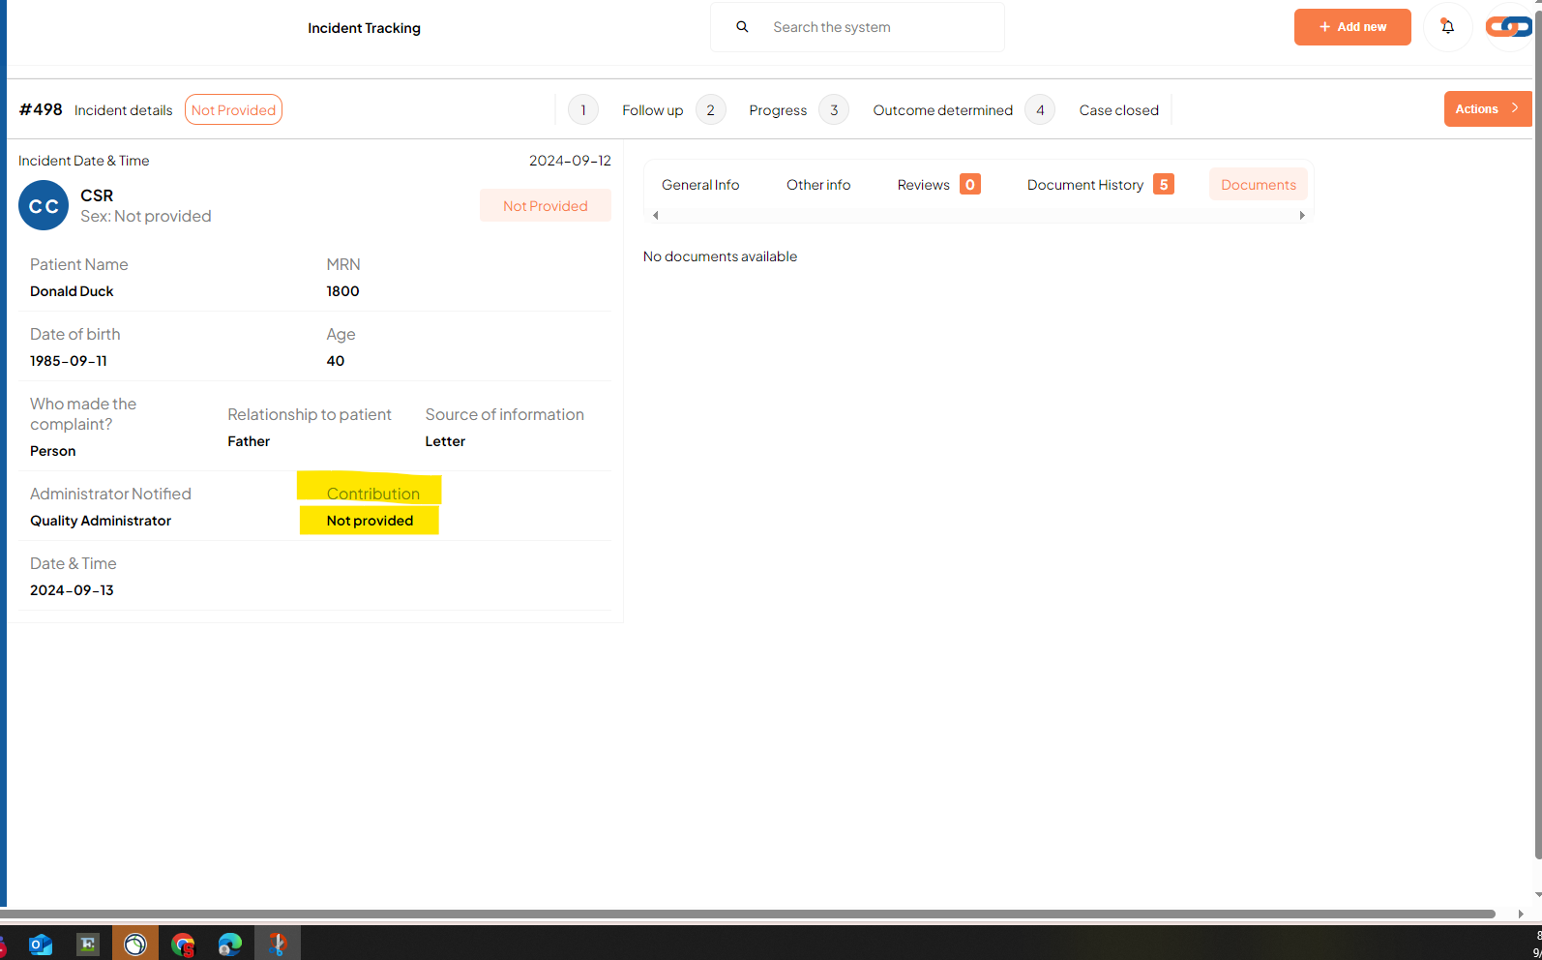
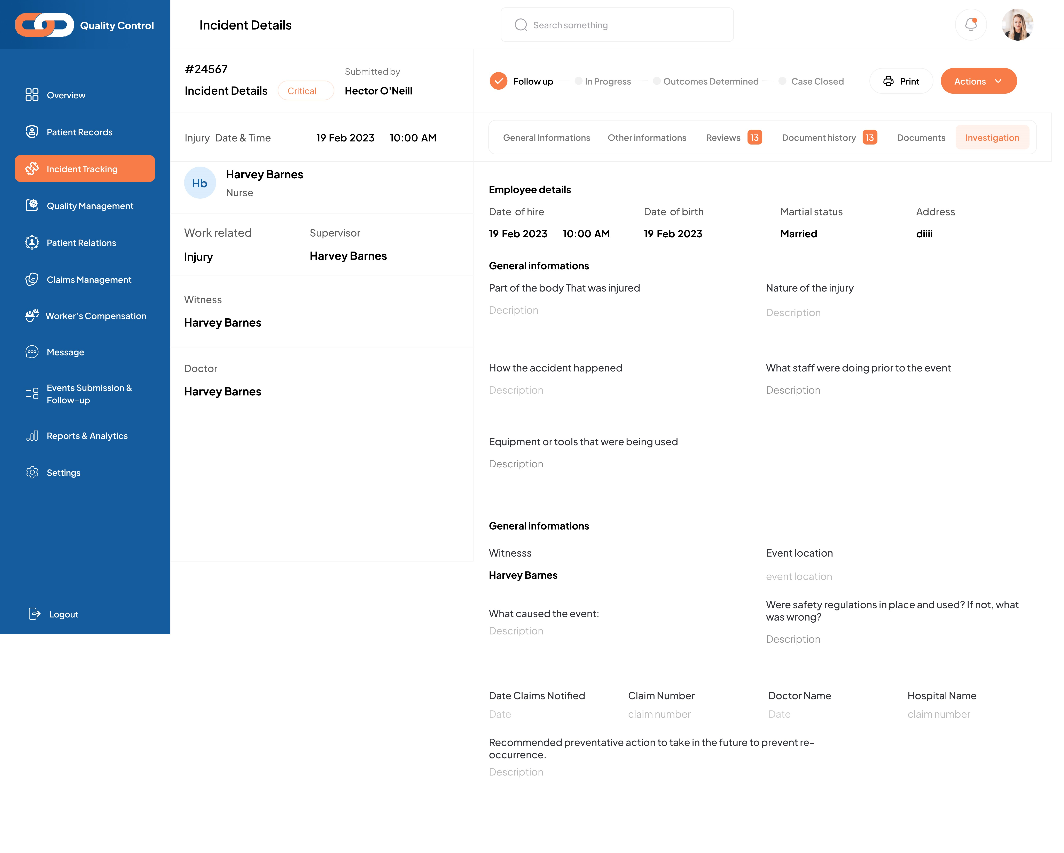
2024-09-18 | There are multiple issues with trying to submit a grievance investigation using grievance ID #13 Here is the explanation of the error message from DevTools console: Failed to Load Resource: This indicates that a resource (like a file or data) could not be loaded. Status of 400: The server responded with a 400 status code, which means Bad Request. This typically occurs when the server cannot process the request due to a client error (e.g., malformed request syntax). | 2024-09-18 | COMPLETED | FORM | 2024-09-20 | AB |  |  | 3
2024-09-18 | Incident tracking > grievance > View patient details: there is a field "Contribution" this information is not applicable and there is nothing on the grievance form related to contributing factor. Please remove. | 2024-09-18 | COMPLETED | PATIENT DETAILS | 2024-09-18 | AB |  |  | 1
2024-09-18 | Add Grievance investigation step 2/4: Date of feedback is not a mandatory/require field unless the user selected one of the two options above "meeting" or "telephone" conversation. If meeting or telephone conversation is unchecked then we do not need to enter a date and should be allowed to continue. | 2024-09-18 | COMPLETED | FORM | 2024-09-18 | AB |  |  | 1
2024-09-18 | After we complete/save a grievance investigation, where can we view the investigation information? | 2024-09-18 | COMPLETED | FORM | 2024-09-18 | AB | We decided that we're going to view them on the grivence indicent details. Check the image I just added |  | 1
2024-09-19 | CLIENT REQUESTED TO REMOVE PATIENT NAME FROM ANY EMAIL NOTIFICATION TO ENSURE HIPAA COMPLIANCE STANDARD ARE MET | 2024-09-19 | COMPLETED | NOTIFICATION | 2024-09-24 | AB | Data required data to be stored in the US server. |  | 4
2024-09-19 | Submit a complaint > Change question "Resolved by staff" to "Please select, if concern(s) were resolved by staff present" THEN If "Please select, if concern(s) were resolved by staff present" has not been checked when submitting a new complaint. Can we add this alert "For concerns expressed by a patient or patient representative that were not resolved by staff present, the concern should be considered a Grievance. Please notify the House Supervisor, Charge Nurse or the Administrator on Call (AOC)" If "Please select, if concern(s) were resolved by staff present" is checked can we prompt the user to answer: "Who resolved the complaint?" | 2024-09-19 | COMPLETED | COMPLAINT | 2024-09-24 | AB |  |  | 4
2024-09-19 | Incident tracking > Please change card title from Grievance to Complaint & Grievance | 2024-09-19 | COMPLETED | INCIDENT TRACKING | 2024-09-23 | AB |  |  | 3
2024-09-20 | VIEW INVESTIGATION DID NOT TAKE ME TO THE DETAILS PAGE WHEN I CLICKED IT | 2024-09-20 | COMPLETED | INCIDENT DETAILS | 2024-09-24 | AB |  |  | 3
2024-09-24 | MODIFY GRIEVANCE > VIEW INVESTIGATION: IT TOOK ME TO THE INVESTIGATION ON INCIDENT DETAILS BUT AN ALERT POPPED UP THAT READ: FAILED TO FETCH INCIDENT REVIEWS 10.25.24 I do not see the option to add investigation using this link: https://q-control-frontend-beta.vercel.app/incident/grievance/364/ with these permissions: Quality-Risk Manager, Admin, Staff Health Nurse, Chief Clinical Officer, managers, Department head, Staff | 2024-09-24 | COMPLETED | INCIDENT DETAILS | 2024-09-24 | AB |  |  | 1
2024-09-25 | Confirm adding an investigation is only permissable for certain users: Grievance investigation > Only a QM has permission to add this investigation Staff incident report investigation > Only an Employee Health Nurse has permissoin to add this investigation. | 2024-09-25 | PRIORITY | INVESTIGATION |  | AB | 10.8.24 Can only demonstrate once changes are applied 11.7.24 Unable to determine (UTD) at this time 11.14.24 Confirmed demo.user cannot see tracking lists or add investigations
2024-11-07 | ATTEMPTED TO ADD INVESTIGATION BUT RECEIVED ERROR = Error saving the grievance investigation | 2024-11-07 | PRIORITY
2024-12-02 | Grievance list under complaint details, that is already entered, I didn't have a problem until going to "send to department". Under the select department selection, nothing populated already entered, I didn't have a problem until going to "send to department". Under the select department selection, nothing populated | 2024-12-02 | NEW |  |  | SFIPPS

